Sheet1
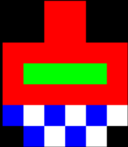
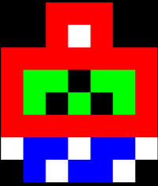
 | 0 | 1 | 2 | 3 | 4 | 5 | 6 | 7 | 8 | 9 | 10 | 11 | 12 |  |  |  | 0 | 1 | 2 | 3 | 4 | 5 | 6 | 7 | 8 | 9 | 10 | 11 | 12 |  |  |  | 0 | 1 | 2 | 3 | 4 | 5 | 6 | 7 | 8 | 9 | 10 | 11 | 12
0 | x | x | x | x | x | x | R | x | x | x | x | x | x |  |  | 0 | x | x | x | x | x | x | R | R | x | x | x | x | x |  |  | 0 | x | x | x | x | x | R | R | R | x | x | x | x | x |  |  | x | Black
1 | x | x | x | x | x | R | R | R | x | x | x | x | x |  |  | 1 | x | x | x | x | x | x | R | R | x | x | x | x | x |  |  | 1 | x | x | x | x | x | R | W | R | x | x | x | x | x |  |  | B | Blue
2 | x | x | x | x | x | R | R | R | x | x | x | x | x |  |  | 2 | x | x | x | x | R | R | R | R | R | R | x | x | x |  |  | 2 | x | x | x | R | R | R | R | R | R | R | x | x | x |  |  | O | Orange
3 | x | x | x | x | x | W | B | W | x | x | x | x | x |  |  | 3 | x | x | x | x | R | G | G | G | G | R | x | x | x |  |  | 3 | x | x | x | R | G | G | x | G | G | R | x | x | x |  |  | W | White
4 | x | x | x | x | x | x | x | x | x | x | x | x | x |  |  | 4 | x | x | x | x | R | R | R | R | R | R | x | x | x |  |  | 4 | x | x | x | R | G | x | G | x | G | R | x | x | x |  |  | P | Pink
5 | x | x | x | x | x | x | x | x | x | x | x | x | x |  |  | 5 | x | x | x | x | B | W | B | W | B | W | x | x | x |  |  | 5 | x | x | x | R | R | R | R | R | R | R | x | x | x |  |  | R | Red
6 | x | x | x | x | x | x | x | x | x | x | x | x | x |  |  | 6 | x | x | x | x | x | B | W | B | W | x | x | x | x |  |  | 6 | x | x | x | W | B | B | W | B | B | W | x | x | x |  |  | g | Grey
7 | x | x | x | x | x | x | x | x | x | x | x | x | x |  | tank5 | 7 | x | x | x | x | x | x | x | x | x | x | x | x | x |  |  | 7 | x | x | x | x | B | W | B | B | W | x | x | x | x |  |  | Y | Yellow
8 | x | x | x | x | x | x | x | x | x | x | x | x | x |  |  | 8 | x | x | x | x | x | x | x | x | x | x | x | x | x |  |  | 8 | x | x | x | x | x | x | x | x | x | x | x | x | x |  |  | V | Violet (Purple)
9 | x | x | x | x | x | x | x | x | x | x | x | x | x |  |  | 9 | x | x | x | x | x | x | x | x | x | x | x | x | x |  | tank6 | 9 | x | x | x | x | x | x | x | x | x | x | x | x | x |  |  | G | Green
10 | x | x | x | x | x | x | x | x | x | x | x | x | x |  |  | 10 | x | x | x | x | x | x | x | x | x | x | x | x | x |  |  | 10 | x | x | x | x | x | x | x | x | x | x | x | x | x | tank7
11 | x | x | x | x | x | x | x | x | x | x | x | x | x |  |  | 11 | x | x | x | x | x | x | x | x | x | x | x | x | x |  |  | 11 | x | x | x | x | x | x | x | x | x | x | x | x | x
12 | x | x | x | x | x | x | x | x | x | x | x | x | x |  |  | 12 | x | x | x | x | x | x | x | x | x | x | x | x | x |  |  | 12 | x | x | x | x | x | x | x | x | x | x | x | x | x
13 | x | x | x | x | x | x | x | x | x | x | x | x | x |  |  | 13 | x | x | x | x | x | x | x | x | x | x | x | x | x |  |  | 13 | x | x | x | x | x | x | x | x | x | x | x | x | x
14 | x | x | x | x | x | x | x | x | x | x | x | x | x |  |  | 14 | x | x | x | x | x | x | x | x | x | x | x | x | x |  |  | 14 | x | x | x | x | x | x | x | x | x | x | x | x | x
15 | x | x | x | x | x | x | x | x | x | x | x | x | x |  |  | 15 | x | x | x | x | x | x | x | x | x | x | x | x | x |  |  | 15 | x | x | x | x | x | x | x | x | x | x | x | x | x

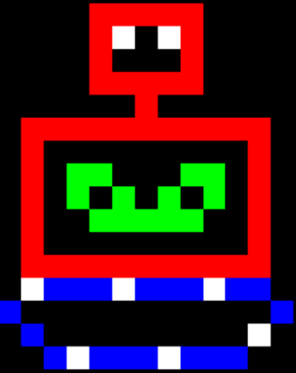

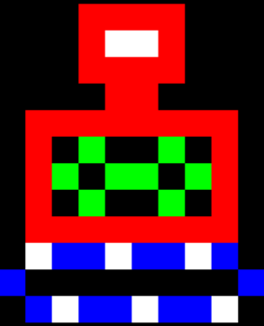
 | 0 | 1 | 2 | 3 | 4 | 5 | 6 | 7 | 8 | 9 | 10 | 11 | 12 |  |  |  | 0 | 1 | 2 | 3 | 4 | 5 | 6 | 7 | 8 | 9 | 10 | 11 | 12 |  |  |  | 0 | 1 | 2 | 3 | 4 | 5 | 6 | 7 | 8 | 9 | 10 | 11 | 12
0 | x | x | x | x | x | R | R | R | R | x | x | x | x |  |  | 0 | x | x | x | x | R | R | R | R | R | x | x | x | x |  |  | 0 | x | x | x | x | R | R | R | R | R | x | x | x | x
1 | x | x | x | x | x | R | W | W | R | x | x | x | x |  |  | 1 | x | x | x | x | R | W | x | W | R | x | x | x | x |  |  | 1 | x | x | x | x | R | W | x | W | R | x | x | x | x
2 | x | x | x | x | x | R | R | R | R | x | x | x | x |  |  | 2 | x | x | x | x | R | x | x | x | R | x | x | x | x |  |  | 2 | x | x | x | x | R | x | x | x | R | x | x | x | x
3 | x | x | x | x | x | x | R | R | x | x | x | x | x |  |  | 3 | x | x | x | x | R | R | R | R | R | x | x | x | x |  |  | 3 | x | x | x | x | R | R | R | R | R | x | x | x | x
4 | x | x | x | R | R | R | R | R | R | R | R | x | x |  |  | 4 | x | x | x | x | x | x | R | x | x | x | x | x | x |  |  | 4 | x | x | x | x | x | x | R | x | x | x | x | x | x
5 | x | x | x | R | x | G | x | x | G | x | R | x | x |  |  | 5 | x | R | R | R | R | R | R | R | R | R | R | R | x |  |  | 5 | x | R | R | R | R | R | R | R | R | R | R | R | x
6 | x | x | x | R | G | x | G | G | x | G | R | x | x |  |  | 6 | x | R | x | x | x | x | x | x | x | x | x | R | x |  |  | 6 | x | R | x | x | x | x | x | x | x | x | x | R | x
7 | x | x | x | R | x | G | x | x | G | x | R | x | x |  |  | 7 | x | R | x | G | G | x | x | x | G | G | x | R | x |  |  | 7 | x | R | x | G | x | G | x | G | G | G | x | R | x
8 | x | x | x | R | R | R | R | R | R | R | R | x | x |  |  | 8 | x | R | x | G | x | G | x | G | x | G | x | R | x |  |  | 8 | x | R | x | G | x | G | x | x | x | x | x | R | x
9 | x | x | x | W | B | B | W | B | B | W | B | x | x |  |  | 9 | x | R | x | x | G | G | G | G | G | x | x | R | x |  |  | 9 | x | R | x | G | x | G | G | G | G | G | x | R | x
10 | x | x | B | x | x | x | x | x | x | x | x | B | x |  |  | 10 | x | R | x | x | x | x | x | x | x | x | x | R | x |  |  | 10 | x | R | x | x | x | x | x | x | x | x | x | R | x
11 | x | x | x | B | W | B | B | W | B | B | W | x | x |  |  | 11 | x | R | R | R | R | R | R | R | R | R | R | R | x |  |  | 11 | x | R | R | R | R | R | R | R | R | R | R | R | x
12 | x | x | x | x | x | x | x | x | x | x | x | x | x |  |  | 12 | x | W | B | B | B | W | B | B | B | W | B | B | x |  |  | 12 | x | B | W | B | B | B | W | B | B | B | W | B | x
13 | x | x | x | x | x | x | x | x | x | x | x | x | x | tank8 |  | 13 | B | x | x | x | x | x | x | x | x | x | x | x | B |  |  | 13 | B | x | x | x | x | x | x | x | x | x | x | x | B
14 | x | x | x | x | x | x | x | x | x | x | x | x | x |  |  | 14 | x | B | x | x | x | x | x | x | x | x | x | W | x |  |  | 14 | x | B | x | x | x | x | x | x | x | x | x | B | x
15 | x | x | x | x | x | x | x | x | x | x | x | x | x |  |  | 15 | x | x | B | W | B | B | B | W | B | B | B | x | x |  |  | 15 | x | x | W | B | B | B | W | B | B | B | W | x | x

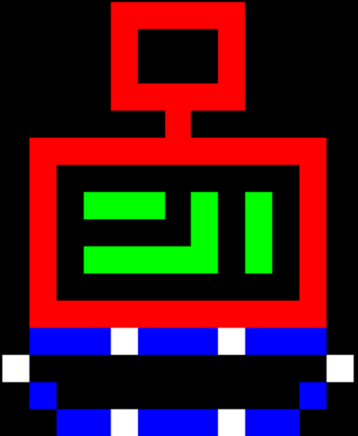
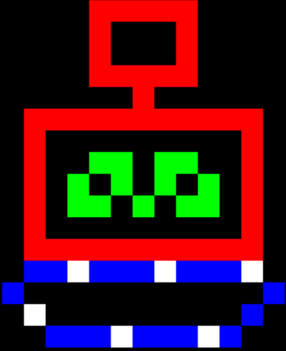
 |  |  |  |  |  |  |  |  |  |  |  |  |  |  |  |  |  |  |  |  |  |  |  |  |  |  |  |  |  |  | tank1 |  |  |  |  |  |  |  |  |  |  |  |  |  |  |  | tank2
 | 0 | 1 | 2 | 3 | 4 | 5 | 6 | 7 | 8 | 9 | 10 | 11 | 12 |  |  |  | 0 | 1 | 2 | 3 | 4 | 5 | 6 | 7 | 8 | 9 | 10 | 11 | 12
0 | x | x | x | x | R | R | R | R | R | x | x | x | x |  |  | 0 | x | x | x | x | R | R | R | R | R | x | x | x | x |  |  |  |  |  |  |  |  |  |  |  |  |  |  |  |  | x
1 | x | x | x | x | R | x | x | x | R | x | x | x | x |  |  | 1 | x | x | x | x | R | x | x | x | R | x | x | x | x |  |  |  |  |  |  |  |  |  |  |  |  |  |  |  |  | B
2 | x | x | x | x | R | x | x | x | R | x | x | x | x |  |  | 2 | x | x | x | x | R | x | x | x | R | x | x | x | x |  |  |  |  |  |  |  |  |  |  |  |  |  |  |  |  | O
3 | x | x | x | x | R | R | R | R | R | x | x | x | x |  |  | 3 | x | x | x | x | R | R | R | R | R | x | x | x | x |  |  |  |  |  |  |  |  |  |  |  |  |  |  |  |  | W
4 | x | x | x | x | x | x | R | x | x | x | x | x | x |  |  | 4 | x | x | x | x | x | x | R | x | x | x | x | x | x |  |  |  |  |  |  |  |  |  |  |  |  |  |  |  |  | P
5 | x | R | R | R | R | R | R | R | R | R | R | R | x |  |  | 5 | x | R | R | R | R | R | R | R | R | R | R | R | x |  |  |  |  |  |  |  |  |  |  |  |  |  |  |  |  | R
6 | x | R | x | x | x | x | x | x | x | x | x | R | x |  |  | 6 | x | R | x | x | x | x | x | x | x | x | x | R | x |  |  |  |  |  |  |  |  |  |  |  |  |  |  |  |  | G
7 | x | R | x | x | G | G | x | G | G | x | x | R | x |  |  | 7 | x | R | x | G | G | G | x | G | x | G | x | R | x |  |  |  |  |  |  |  |  |  |  |  |  |  |  |  |  | Y
8 | x | R | x | G | x | G | x | G | x | G | x | R | x |  |  | 8 | x | R | x | x | x | x | x | G | x | G | x | R | x |  |  |  |  |  |  |  |  |  |  |  |  |  |  |  |  | V
9 | x | R | x | G | G | x | G | x | G | G | x | R | x |  |  | 9 | x | R | x | G | G | G | G | G | x | G | x | R | x |  |  |  |  |  |  |  |  |  |  |  |  |  |  |  |  | G
10 | x | R | x | x | x | x | x | x | x | x | x | R | x |  |  | 10 | x | R | x | x | x | x | x | x | x | x | x | R | x
11 | x | R | R | R | R | R | R | R | R | R | R | R | x |  |  | 11 | x | R | R | R | R | R | R | R | R | R | R | R | x
12 | x | B | B | W | B | B | B | W | B | B | B | W | x |  |  | 12 | x | B | B | B | W | B | B | B | W | B | B | B | x
13 | B | x | x | x | x | x | x | x | x | x | x | x | B |  |  | 13 | W | x | x | x | x | x | x | x | x | x | x | x | W
14 | x | B | x | x | x | x | x | x | x | x | x | B | x |  |  | 14 | x | B | x | x | x | x | x | x | x | x | x | B | x
15 | x | x | B | B | B | W | B | B | B | W | B | x | x |  |  | 15 | x | x | B | B | W | B | B | B | W | B | B | x | x

 |  |  |  |  |  |  |  |  |  |  |  |  |  | tank3 |  |  |  |  |  |  |  |  |  |  |  |  |  |  |  | tank4

